Index
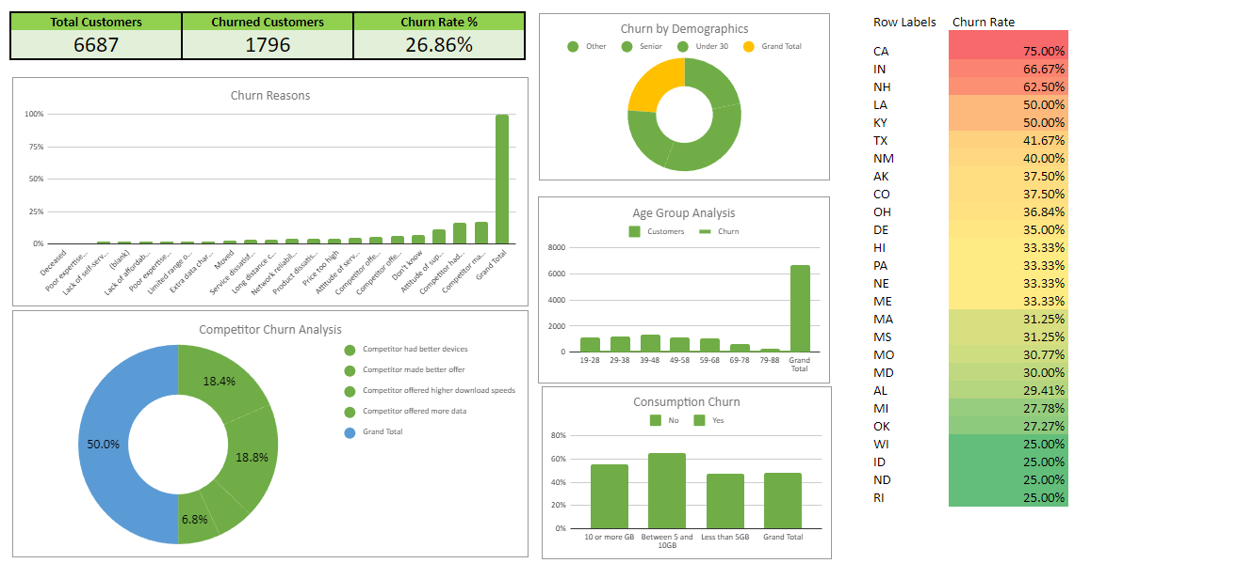
 | Case Study: Analyzing Customer Churn

 | Q1 | What's the total churn rate for "Databel"? (Answer format: XX.XX%)
 | Q2 | Which of the following is part of the top 3 churn reasons?
 | Q3 | What % of customers churned due to "Competitor made better offer"? Rounded to two decimal places.
 | Q4 | Which demographic group has the highest churn rate?
 | Q5 | Which age group makes up the lowest number of customers but the highest churn rate?
 | Q6 | What's the churn rate for people on an unlimited plan who consume less than 5 GB of data? (Answer format: XX.XX%)
 | Q7 | It seems there is a state that has customers on a international plan that has a particularly high percentage of churners. Write the name code of this state (e.g., MT).
 | Q8 | Strategy for retaining senior citizens.
 | Q9 | Contract types churn percentage?
 | Q10 | What are the total number of customers that "Databel" has served?
 | Q11 | Reason of churn?
 | Q12 | What is the churn rate for customers aged between 19-28 years old? (Answer format: XX.XX%)
 | Q13 | How many states had a churn rate of 25%?

Dashboard

Sample Dashboard

